1. Title Page
Groceey Basket Analysis

Project Name:Instacart Grocery Basket Analysis
Date:May 2023
Analyst Name: Hannah Huang

Contents:
Population Flow
Consistency checks
Wrangling steps
Column derivations
Visualizations
Recommendations

2. Population Flow
 |  |  | Title page

Population flow

Exclusion flag
Condition: max_order <
Obervations to be removed:
Final total count of order_products_all: 29632737

 |  | #After drop the rows where at least one element is missing.

Orders_products_combined
Orders_products_merged
Orders_products_all

Total:
Total:
Total:
32434489 | 32404859 | 29632737

1.) The grey boxes in the first row of the population flow represent the original data sets as they were when you downloaded them. In the Total fields you need to add the count of the rows when you imported the data set into Jupyter.
2.) The second row of boxes (coloured) represents the data sets after you manipulated them, e.g., removed missing values and duplicates. In the Total fields you need to add the count of the rows after conducting these operations. This offers a visual oveview of how the data flows throughout the data consistency checks.
3.) The third row, where also the arrows are coloured, represents the merges you performed between the datasets. In the Total fields you need to add the count of the rows in the merged datasets, so that you end up with the final dataset (in the red box). Keep in mind the final dataset should be without exclusions (based on the exclusion flag).

3. Consistency checks
 |  |  |  | Title page
Consistency checks

Dataset | Missing values | Missing values treatment | Duplicates
orders | x | x | 0
products | 16 missing values were found in product_name column | decided create a subset for missing values to flag | 5
orders_products_prior | 0 | 0 | 0
customers | 0 | 0 | 0
orders_products_merged_aggregated | 2772122 | drop it | 0 | 32404859
 |  |  |  | 29632737
 |  |  |  | 2772122

4. Wrangling steps
 |  |  |  |  | Title page
Wrangling steps

Dataset | Columns dropped | Columns renamed | Columns' type changed | Comment/Reason
orders | eval_set |  |  | not needed for analysis
 |  | order_dow : order_day_of_week |  | name change is more informative
 |  | days_since_prior_order':'Order Interval' |  | name change is more informative
 |  |  | user_id - str | order_id its a unique number
Orders_products_merged | merge |  |  | It's no use
 | Unnamed: 0_x |  |  | It's no use
 | exists |  |  | It's no use
 | Unnamed: 0_y |  |  | It's no use
 |  | order_dow : order_day_of_week |  | name change is more informative
 |  | days_since_prior_order':'Order Interval' |  | name change is more informative
customers |  | Surnam':'Last Name' |  | name change is more informative
 |  | n_dependants':'dependants' |  | name change is more informative
 | join_date |  |  | It's no use
departments_wrangled |  | {'Unnamed: 0':'department_id'} |  | name change is more informative
 | first_name |  |  | Removed for data security
 | last_name |  |  | Removed for data security

5. Column derivations
 |  |  |  | Title page

Column derivations and aggregations

Dataset | New column | Column/s it was derived from | Conditions
ords_prods_merged | price_range_loc | prices
ords_prods_merged | busiest_day | orders_day_of_week
ords_prods_merged | busiest_period_of_day | order_hour_of_day
ords_prods_merged | loyalty_flag | ['user_id'])['order_number']
ords_prods_merged | spending_flag | ['user_id'])['prices']
ords_prods_merged | order_freq_flag | user_id'])['Order Interval'
orders_products_merged | price_range_loc | prices | >15 or <=15 & >5 or <=5
orders_products_merged | busiest_period_of_day | hour_order_was_placed | Most orders = [10, 11, 14, 15, 13, 12, 16, 9]
orders_products_merged |  |  | Average orders = [17, 8, 18, 19, 20, 7, 21, 22]
orders_products_merged |  |  | Fewest orders = [23, 6, 0, 1, 5, 2, 4, 3]
orders_products_merged | loyalty_flag | max_order | >40 or <=40 & >10 or <=10
orders_products_merged | avg_spent | user_id & prices | The mean of prices when grouped by user_id
orders_products_merged | spending_flag | avg_spent | >10 or <= 10
orders_products_merged | order_freq | user_id & days_since_prior_order | The median of days_since_prior_order when grouped by user_id
orders_products_merged | order_freq_flag | order_freq | >20 o r >10 & <= 20 or <= 10
orders_products_customers_merged | region
orders_products_customers_merged | family_profile | dependants | dependants'= 0), 'family_profile'] = 'Single Adult',l['dependants'] != 0), 'family_profile'] = 'Family'
orders_products_customers_merged | region | STATE | south、west、midwest、northeast
orders_products_customers_merged | income_profile' | income | <50k,51k-150k,>150k
orders_products_customers_merged | age_profile | age | 18-25,26-40,41-55,55+
orders_products_customers_merged | low_order_flag | max_order | max_order']<5=Low order customer,'max_order'] >= 5 =High order customer

6. Visualizations
 |  |  |  |  |  |  | Title page

Visualisations

In this tab you should include all the visualtions from Exercises 4.9 and 4.10, alongside the questions from the project brief that they answer. Include any commentary on the relationship between different variables.

Q1:Which days of the week and hours of the day are the most active?
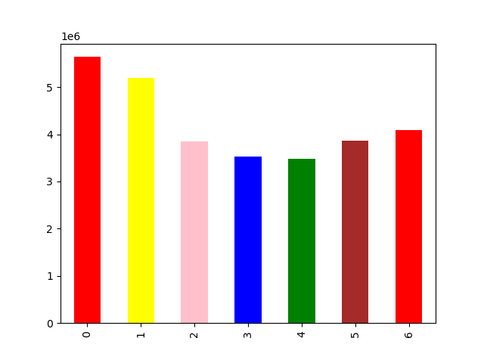

 |  |  | Days of the week(0=Saturday)
 | We could find that Saturday and Sunday are the most active day.



 |  |  | Hour of the day
 | 10am is the most active time

Q2.Which days of the week and hours of the day are the customers spends the most?
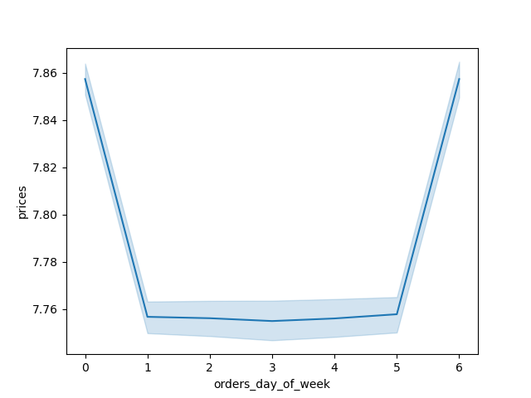

 |  |  | 0=Saturday
 | Customers spend a lot on Saturdays and Sunday

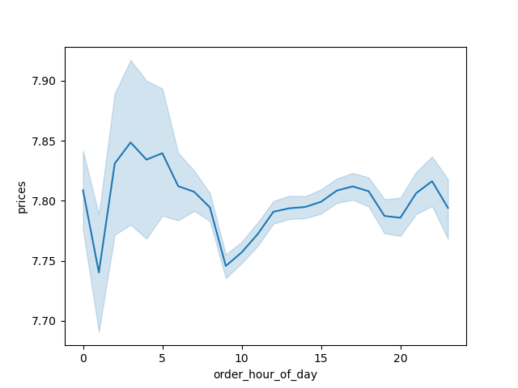

 | Customers will spend money on higher priced items around 4 am each day, but that does not necessarily mean they spend the most at that time.

Q3.What is the relationship between customer loyalty and ordering habits?

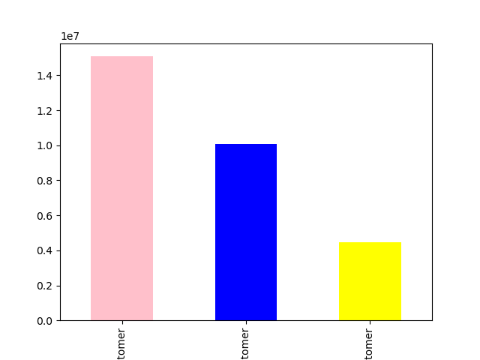

 | pink=regular customers,blue=loyal customers,yellow=new customers

 | The most orders are typically placed by regular customers.

Q4.What is our customer profile?

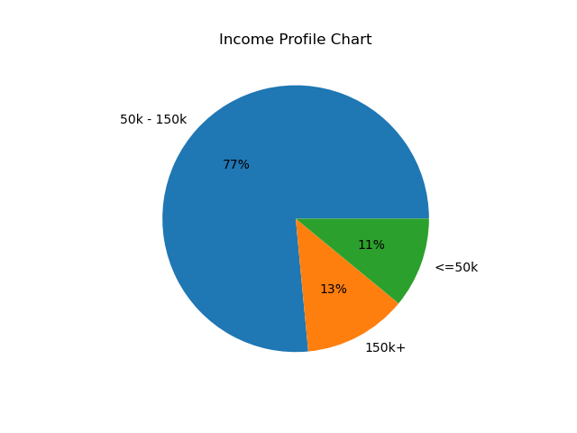
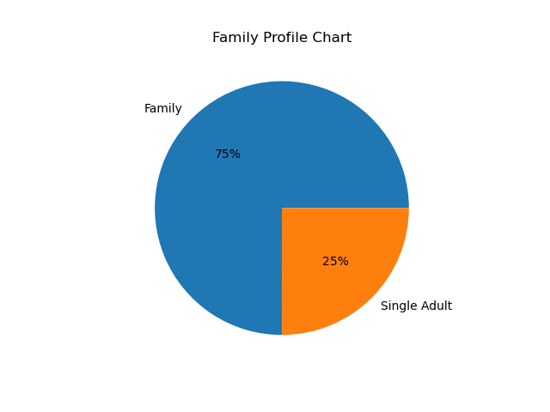

 | Most of our customers are aged 55 or older.
 |  |  |  | Most of our customers income are 50k-150k. |  | Most of our customers have more than one family member.

Q5.What is our customer profile in different regions?

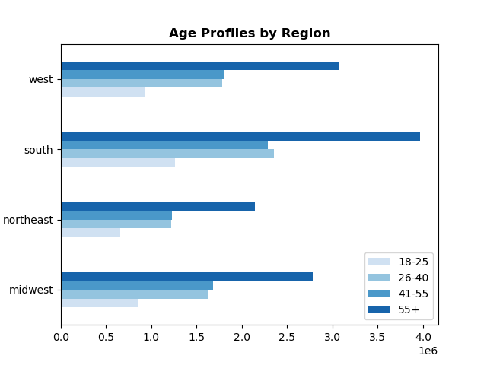
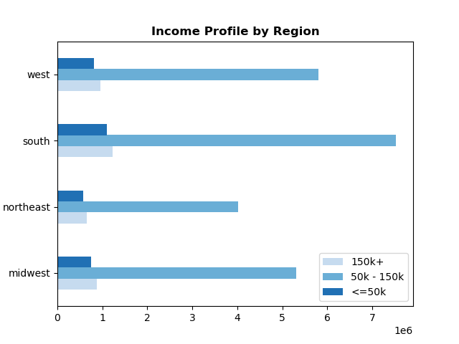
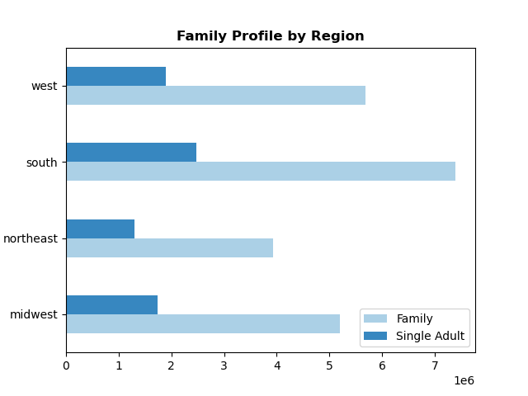

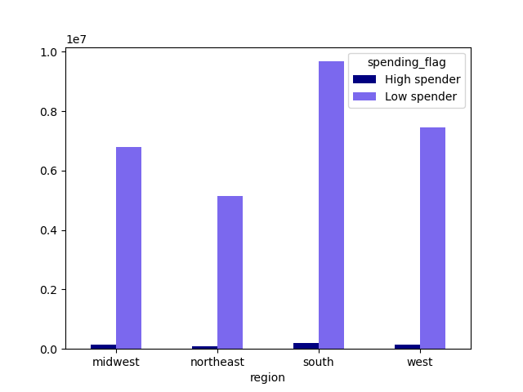

 | We have foumd that the majority of our customers are located in the southern region of the United States.

Q6.What is the different habits of different customers?

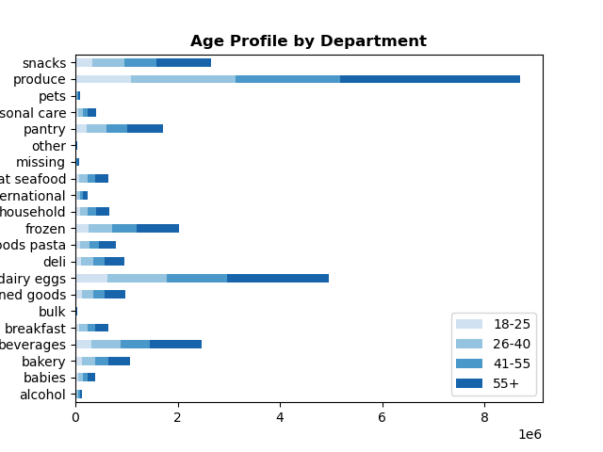
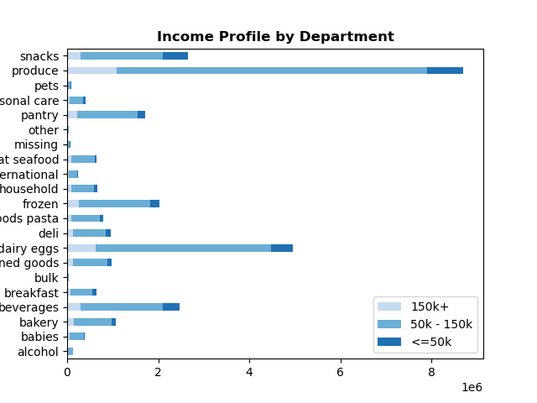
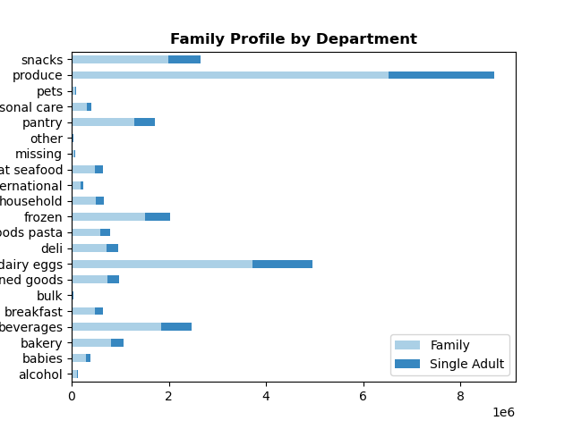

 |  | We could find that the top 5 thing they like to buy are produce, dairy egg, snacks, beverages, frozen.

Q7.What is the weekly transaction status by region?
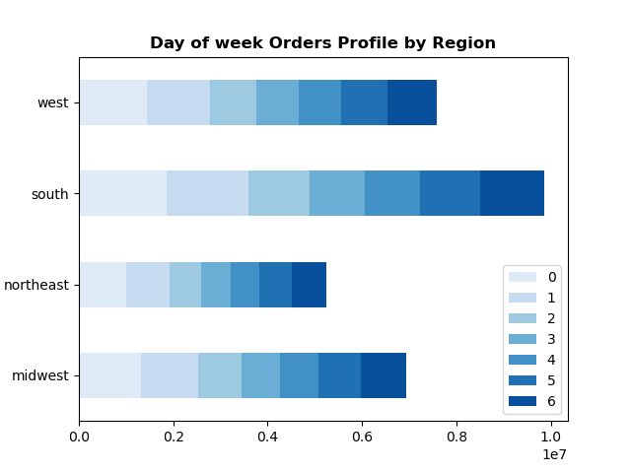

 |  |  |  |  | We found that Saturday and Sunday are the most active day in each region.

Q8.What is the relationship between the income and age of our customers?
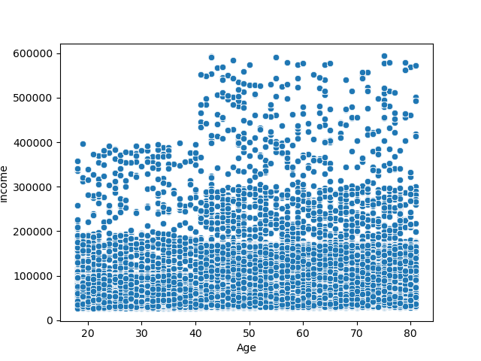

 | We found that customers over the age of 40 have a significantly higher income than those under the age of 40.

7. Recommendations
 |  | Title page

Recommendations

In this tab you should include any recommendations you would made to Instcart in terms of their marketing strategy based on the questions posed in the brief. Every key question has been covered in the Tasks of the Exercises - here you need to add an item - a visualisation or table/crosstable that is showing the answer in the data, acompanied by a comment from you. Please, list the questions below and add the answer underneath.

Question | Answer
Key Question 1 | Which days of the week and hours of the day are the most active?
Answer | We could find that Saturday , Sunday and Friday are the most active day.
Recommendations | We could have some discount for the family on Tuesday and Wednesday to encourage them to shop after work.

Key Question 2 | Which days of the week and hours of the day are the customers spends the most?
Answer | Customers spend a lot on Saturdays and Sunday. Customers will spend money on higher priced items around 4 am each day, but that does not necessarily mean they spend the most at that time.
Recommendations | We can further explore what these high-priced products are and the demographic that purchases them, in order to guide other customer segments to purchase these high-priced items at other times

Key Question 3 | What is the relationship between customer loyalty and ordering habits?
Answer | The most orders are typically placed by regular customers.
Recommendations | We could find a new customer is the lowest, we should think about how to encourage new customers to buy more our products.

Key Question 4 | What is our customer profile?
Answer | 1.Most of our customers are aged 55 or older.2.Most of our customers income are 50k-150k.3.Most of our customers have more than one family member.
Recommendations | We can allocate more advertising budget for products targeted towards the elderly, and encourage this demographic to purchase products for their family members. In the future, we can also take into account the demographics and benefits of these products when selecting items to stock or develop

Key Question 5 | What is our customer profile in different regions?
Answer | We have foumd that the majority of our customers are located in the southern region of the United States.
Recommendations | The lowest is in the northern region of the United States. We can deeply research North America to investigate the reasons why our products are not popular in this region. Is it because of the competition from other brands, or are there specific consumer behaviors in North America that differ from other regions?

Key Question 6 | What is the different habits of different customers?
Answer | We could find that the top 5 thing they like to buy are produce, dairy egg, snacks, beverages, frozen.
Recommendations | We could use these 5 item to attract more customers to buy other item.

Key Question 7 | What is the weekly transaction status by region?
Answer | We found that Saturday and Sunday are the most active day in each region.
Recommendations | We could have some discount for top 5 popular items on Tuesday and Wednesday to encourage them to shop after work.

Key Question 8 | What is the relationship between the income and age of our customers?
Answer | We found that customers over the age of 40 have a significantly higher income than those under the age of 40.
Recommendations | If we want to earn more money from our customers, we should put more emphasized on this group.

